BEP2_rev1 multiCB_RPM
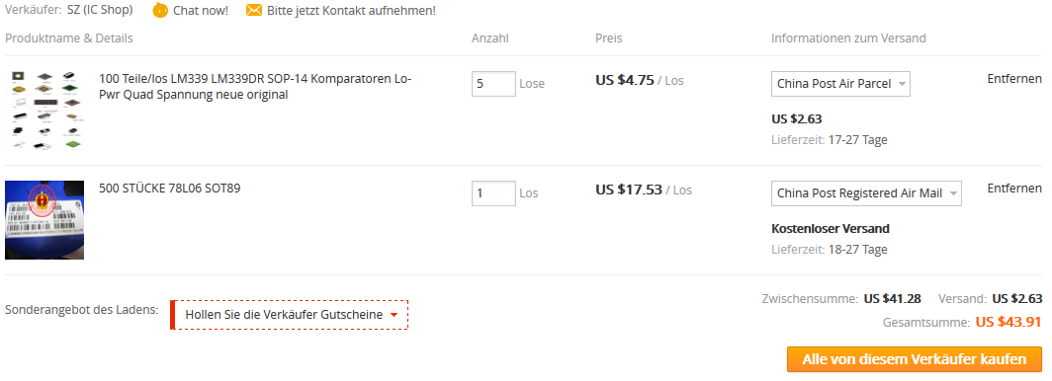
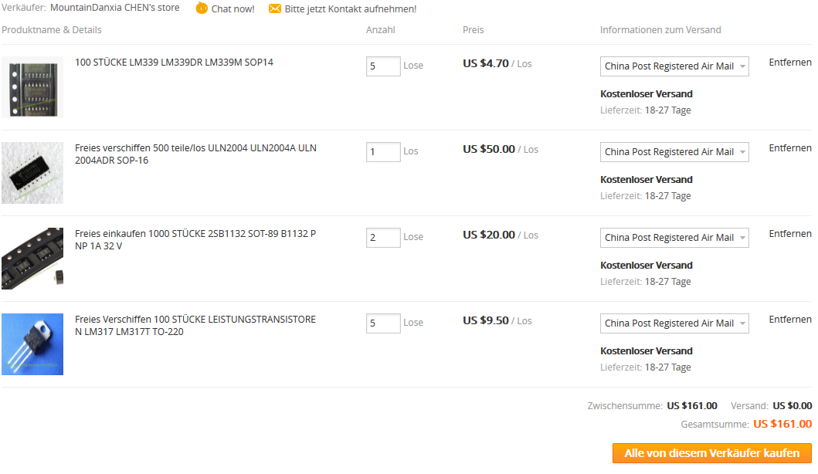
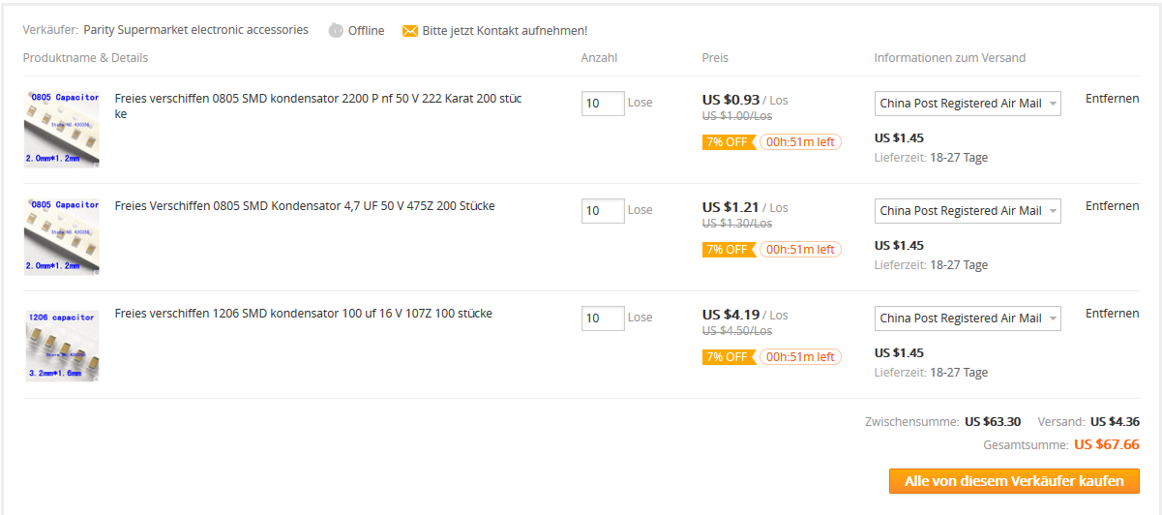
Qty | Value | Device | Package | Parts | Description | MF | MPN | OC_FARNELL | OC_NEWARK | TP_SIGNAL_NAME | VALUE
1 | 317TO202H_NOHOLE | 317TO202H_NOHOLE | TO220H_NOHOLE | IC4 | Positive | VOLTAGE | REGULATOR
1 | 4028D | 4028D | SO16 | IC3 | BCD | to | decimal | DECODER
1 | LM339 | LM339D | SO14 | IC7 | Low | Power | Low | Offset | Voltage | Quad | Comparators
1 | ULN2004 | ULN2004AD | SO16 | IC6 | DRIVER | ARRAY
1 | 555 | NE555D | SO08 | IC5 | TIMER
1 | 4538
1 | 78LXX-SOT89 | SOT89 | IC2
1 | 6V | pos | 78LXX | 78LXX | IC1 | VOLTAGE | REGULATOR
1 | 78L10-sot89
4 | PNP-TRANSISTOR_SOT89 | SOT89 | Q1, | Q2, | Q7, | Q8 | PNP | TRANSISTOR
2 | (AH-16) | BCP53T1 | SOT223 | Q5, | Q6
2 | AH-16 | BCP53T1 | SOT223 | Q3, | Q4
1 | PNP2SM8 | PNP2SM8 | SM8 | T1 | unknown | unknown
1 | 1D | MMBTA42LT1-NPN-SOT23-BEC | SOT23-BEC | T3 | NPN | Transistror
1 | MY | NPN-TRANSISTOR_SOT89 | SOT89 | Q9 | NPN | TRANSISTOR
1 | J1 | SMD-MOSFET-N-CH-50V-200MA-BSS138W-7-F(SOT-23) | SOT-23 | Q10 | 305030000 | BSS138W-7-F | BSS138W-7-F
10 | 1N4007 | DIODE-GEN-PURPOSE-1KV-1A(DO-214AC) | DO-214AC | D1, | D2, | D3, | D8, | D10, | D11, | D12, | D13, | D14, | D15 | 304010013 | 1N4007 | 1N4007
8 | LEDLD260 | LD260 | LED1, | LED2, | LED3, | LED4, | LED5, | LED6, | LED7, | LED8 | LED
3 | 100nF | CERAMIC-100NF-50V-10%-X7R(0805) | C0805 | C4, | C5, | C9 | 302010165 | CC0805KRX7R9BB104 | 100nf
1 | 2.2nF | CERAMIC-100NF-50V-10%-X7R(0805) | C0805 | C1 | 302010165 | CC0805KRX7R9BB104 | 100nf
2 | 100u | CERAMIC-100UF-6.3V-20%-X5R(1206) | C1206 | C2, | C3 | 302010183 | GRM31CR60J107ME39L | 100uf
1 | 4.7u | CERAMIC-4.7UF-25V-10%-X5R(0805) | C0805 | C8 | 302010146 | CC0805KKX5R8BB475 | 4.7uf
1 | -101 | SMD-RES-100R-5%-1/8W(0805) | R0805 | R4 | 301010319 | RC0805JR-07100RL | 100R
1 | (101/221) | SMD-RES-100R-5%-1/8W(0805) | R0805 | R11 | 301010319 | RC0805JR-07100RL | 100R
7 | 104 | SMD-RES-10K-1%-1/8W(0805) | R0805 | R10, | R12, | R22, | R24, | R29, | R30, | R31 | 301010361 | RC0805FR-0710KL | 10K
5 | 1002 | SMD-RES-10K-1%-1/8W(0805) | R0805 | R2, | R5, | R16, | R19, | R26 | 301010361 | RC0805FR-0710KL | 10K
2 | 1502 | SMD-RES-10K-1%-1/8W(0805) | R0805 | R6, | R15 | 301010361 | RC0805FR-0710KL | 10K
1 | 3002 | SMD-RES-10K-1%-1/8W(0805) | R0805 | R33 | 301010361 | RC0805FR-0710KL | 10K
3 | 13 | SMD-RES-13R-5%-1/4W(1206) | R1206 | R18, | R20, | R21 | 301010405 | RC1206JR-0713RL | 13R
1 | 22 | SMD-RES-13R-5%-1/4W(1206) | R1206 | R23 | 301010405 | RC1206JR-0713RL | 13R
2 | 102 | SMD-RES-1K-5%-1/8W(0805) | R0805 | R13, | R38 | 301010311 | RC0805JR-071KL | 1K
1 | -101 | SMD-RES-2.2K-5%-1/8W(0805) | R0805 | R14 | 301010333 | RC0805JR-072K2L | 2.2K
1 | 100 | SMD-RES-2.2K-5%-1/8W(0805) | R0805 | R7 | 301010333 | RC0805JR-072K2L | 2.2K
1 | 2201 | SMD-RES-2.2K-5%-1/8W(0805) | R0805 | R17 | 301010333 | RC0805JR-072K2L | 2.2K
1 | 100 | SMD-RES-220R-5%-1/8W(0805) | R0805 | R3 | 301010315 | RC0805JR-07220RL | 220R
2 | 2702 | SMD-RES-4.7K-5%-1/8W(0805) | R0805 | R8, | R25 | 301010306 | RC0805JR-074K7L | 4.7K
2 | 47 | R-EU_V235/17_1MM | V235/17_1MM | R27, | R28 | RESISTOR, | European | symbol
3 | 4701 | SMD-RES-4.7K-5%-1/8W(0805) | R0805 | R1, | R9, | R32 | 301010306 | RC0805JR-074K7L | 4.7K
1 | R_user | R-EU_R0805 | R0805 | R39 | RESISTOR, | European | symbol
2 | 2081-1132 | 12-PIN | 1, | 2 | WAGO | SREW | CLAMP
1 | CON_BMWV2 | 24-PIN_V2 | X1 | BMW | CONNECTOR

